BASIC
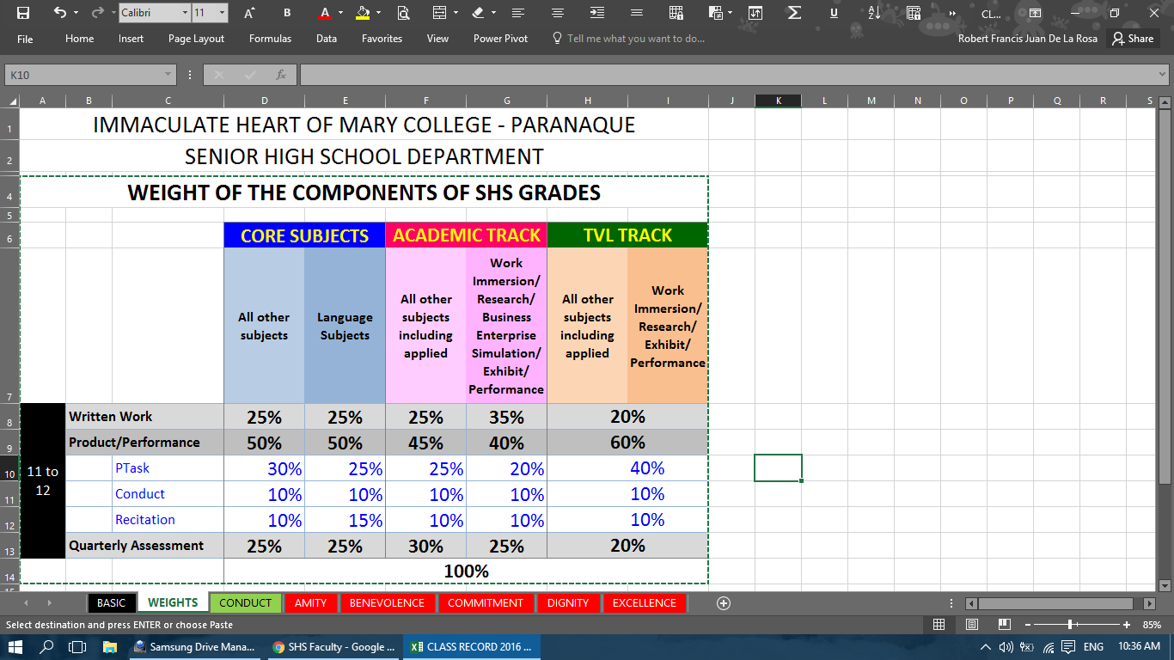
CLASS RECORD 2017

 | School Year |  | [schoolYear]

 | DEPARTMENT |  | [department] | STRAND | Weights for QG
 |  |  |  | nonSHS | *Choose Subject Type*
 | QUARTER |  | [quarter] | ABM | *Choose Subject Type*
 |  |  |  | HumSS | *Choose Subject Type*
 | SUBJECT CODE |  | [subjectCode; leave blank if N/A] | TVL-FB | *Choose Subject Type*
 |  |  |  | TVL-CP | *Choose Subject Type*
 | SUBJECT TITLE |  | [subjectTitle] | STEM | *Choose Subject Type*

 | TEACHER'S NAME |  | [teacherName]

 | COORDINATOR'S NAME |  | [coordinatorName]

 | COORDINATOR'S POSITION |  | [coordinatorPosition]

 | VALID CLASS RECORD FILENAME

 | Quarter Number (space) Teacher's Name (space) hyphen (space) Complete Subject Title
 | *Note: |  | You can copy the Complete Subject Title from the program in
 |  |  | the upper right corner of the Section Grades window.

 | FIRST QUARTER | 1 Robert De La Rosa - General Mathematics
 | SECOND QUARTER | 2 Wilcy Valladores - Mathematics
 | THIRD QUARTER | 3 Jennifer Constantino - Language
 | FOURTH QUARTER | 4 Martha Astilla - Music

 | SETTING UP NEW CLASS RECORD SHEETS

 | 1- Right-click: "CR_TEMPLATE"
 | 2- Select: "Move or Copy"
 | 3- Select: "(move to end)"
 | 4- Tick Check: "Create a copy", then click "OK"
 | 5- Rename: "CR_TEMPLATE (X)" to SECTION NAME (example: BENEVOLENCE)
 | 6- Fill up "BASIC" sheet, and select section from dropdown *Choose Section*
 | 7- Select rows with "DELETE" student entries
 | 8- Right-click selected rows and click "Hide"
 | 9 (OPTIONAL)- Select columns AO, shift click AQ, right-click unhide to show letter grade

 | IMPORTANT TO REMEMBER:

 | * For faculty (Green Sheets)
 | 0. The guidelines for grading Conduct can be found in the CONDUCT sheet
 | 1. The Teacher's Name in the filename can be complete or not complete.
 | 2. The Subject Title must be in Proper Case.
 | 3. There should only be one dash in the file name.
 | 4. The Filename is Case Sensitive.
 | 5. The Filename is Character Sensitive.
 | 6. On FDA students: Input -1 in LT1 column
 | 7. You may check the grade calculation at the rightmost corner of the CR sheet

 | * For registrar (Red Sheets)
 | 1. Red highlights + bold text + cross-out means a supposedly unique value has a duplicate
 | 2. Drop-down button means The value must match from another sheet

 | Drop-down defaults:
 | *Choose Section*

 | *Choose Subject Type*

